Sheet1
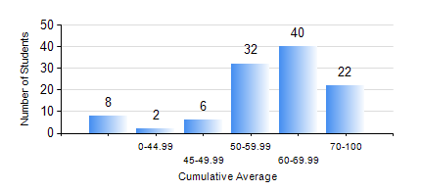
 |  |  | KWAME NKRUMAH UNIVERSITY OF SCIENCE AND TECHNOLOGY, KUMASI Department of Petroleum Engineering

 |  |  | BSC. PETROLEUM ENG.

 |  |  | COMPREHENSIVE RECORD OF EXAMINATION RESULTS

 |  |  | RESULTS OF YEAR 1 FIRST SEMESTER, 2022/2023 ACADEMIC YEAR

 | Sn | Course Code |  | Course Name | Credit Hours | Min. Mark | Max. Mark | Avg. Mark | Std. Dev. | No. Passed | No. Trailed | No. (Df) | No. (I) | No. (I*) | No. Tagged(I,I*,Df) | Total
 | 0. |  |  |  |  |  |  | 0 | 0 | 0 | 0 | 0 | 0 | 0 | 0 | 8
 | 1. | CHEM 169 |  | PRACTICAL CHEMISTRY I | 3 | 34 | 84 | 72 | 8.61 | 100 | 2 | 0 | 0 | 0 | 0 | 102
 | 2. | EE 151 |  | APPLIED ELECTRICITY | 3 | 40 | 100 | 60 | 16.25 | 102 | 0 | 0 | 0 | 0 | 0 | 102
 | 3. | ENGL 157 |  | COMMUNICATION SKILLS I | 2 | 33 | 86 | 64 | 9.35 | 100 | 2 | 0 | 0 | 0 | 0 | 102
 | 4. | MATH 151 |  | ALGEBRA | 4 | 28 | 78 | 53 | 10.4 | 99 | 3 | 0 | 0 | 0 | 0 | 102
 | 5. | ME 159 |  | TECHNICAL DRAWING | 2 | 40 | 90 | 65 | 11.97 | 102 | 0 | 0 | 0 | 0 | 0 | 102
 | 6. | PE 151 |  | INORGANIC CHEMISTRY FOR ENGINEERS | 2 | 27 | 84 | 56 | 11.92 | 94 | 8 | 0 | 0 | 0 | 0 | 102
 | 7. | PE 153 |  | ORGANIC CHEMISTRY FOR ENGINEERS | 2 | 22 | 89 | 55 | 15.32 | 86 | 16 | 0 | 0 | 0 | 0 | 102
 | 8. | PE 155 |  | INTRODUCTION TO INFORMATION TECHNOLOGY | 2 | 44 | 93 | 82 | 7.7 | 102 | 0 | 0 | 0 | 0 | 0 | 102

